Hiearchy View
CLASS: PUSH BUTTON
a simple switch mechanism to control some aspect of a machine or a process. |  | 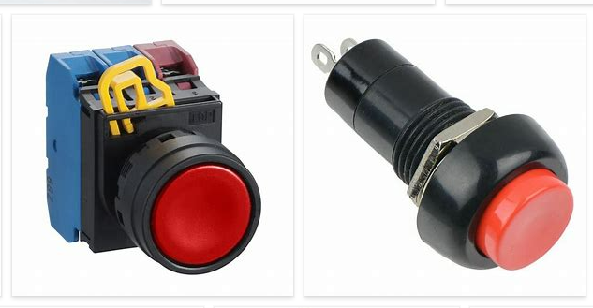
REMOVE | N

PROBLEM_DESC | CAUSE_DESC | REMEDY_DESC
BROKEN/DAMAGED
OTHER PROBLEM
OVERHEATING
POWER-ELEC
STOPPED/SLOWED/POOR OPS
TEMP-CTRL
VIBRATION
Grand Total

